Checklist 2
The following checklists aim to facilitate suppliers in conducting a preliminary check on whether an electrical product is under the statutory control of the Electrical Products (Safety) Regulation (hereinafter referred to as "the Regulation") and the relevant requirements that the electrical product is required to comply with. 以及有關電氣產品所需符合的相關要求。

Checklist 2 Preliminary Check of Electrical Product for Compliance with Requirements under the Regulation
Part A - Certificate of Safety Compliance (CSC) | Yes | No
1. Have you obtained the CSC documentary proof from the supplying sources?

2. Have you checked that the model, manufacturer's name and required safety standards as shown in Section C.1 of the Guidance Notes for the Electrical Products (Safety) Regulation are included in the CSC?

3. Have you kept the documentary proof and correspondences with the supplying sources for record and inspection by EMSD?

Please complete Part A.

None of the below
13A Plug
13A Plug
5A Plug
15A Plug
Part B - Plug
Is the electrical product fitted with one of the following 3-pin plugs?
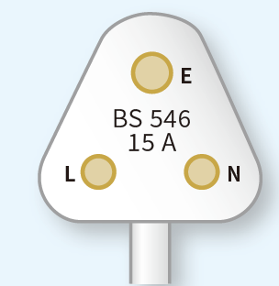 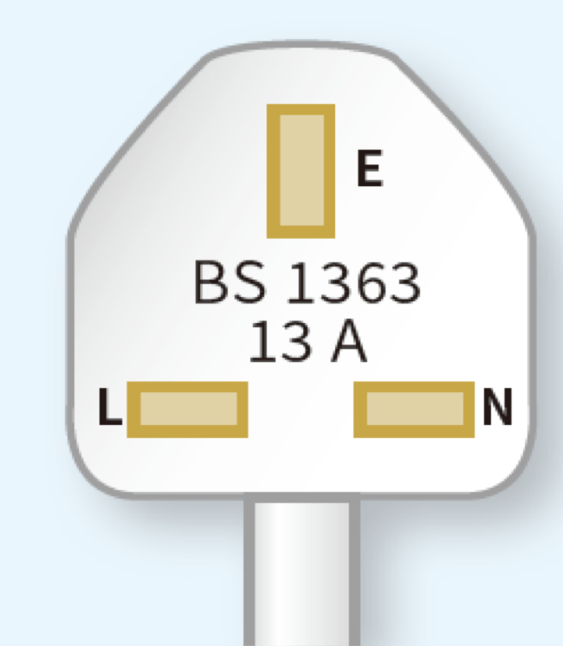

(BS 1363 Part 1)
(BS 546)
(BS 546)

Please complete Part B.

Part C - Product Markings | Yes | No
1. Is the manufacturer's name or trade mark printed on the electrical product?
2. Is the model or type reference number printed on the electrical product?
3. Is the rated voltage printed on the electrical product?
4. Is the rated frequency printed on the electrical product?
5. Is the rated input power or input current printed on the electrical product?
Please complete Part C.

Since Part A,B,C are not fulfilled, the electrical product does not comply with the requirements of this preliminary check.

